Model Setup
Strategic Workforce Planning Tool

Instructions

Model Setup
You can navigate to different tabs.

Executive View

Here you can select the Department/Function of your choice. You can change the default values of the selected filters under Default Parameter Setting section Setting tab.

Deep Dive View

Default Values
Optimistic Headcount
No Change Case
Base Case
Optimistic Case
Right-Sizing Scenario Selection
No Change Headcount
Base Headcount
# BB (165)
# BE (161.5)
# BD (158)

Make these filters selective and auto populate
2. Alphabetic
(See the example )
Suppose Selected filter is Family Finance, Region MEA and SUb family xxx.

The values of this scenario could be changed using the Rightsizing Position given under Parameter Setting below
This number comes from column BB after selecting the respective filter.
Conservative Case
Base Case
Optimistic Case
Scenario Selection (Automation & L&D Intervention)
Conservative Case
Base Case
0
=average(L&D Numbers F7 to J7); (1600)
=average(L&D Numbers F7 to J7); 1600
Default Values
Automation Impact (5 Years)
Conservative Case
Base Case
0
X%
2X%
Optimistic Case
Optimistic Case
Yearly L&D Investment

The values of this scenario could be changed using the L&D Investment tab given under Parameter Setting below

To check how this number is calculated check cel FQ4 in Data Praparation

The values of this scenario could be changed using the Automation tab given under Parameter Setting below

Parameter Setting

Here you can adjust parameters for a specific area of SABIC. These will overwrite the underlying values, and give new value for selected function.

Rightsizing Position
Supply
Change Default Parameters
L&D Investment
Automation
Demand

 | 1

Supply Inputs
Back to setup
Supply

 | Net Hire Rates - Core
 | 2019

 | 2020

 | 2021

Automation Inputs
Back to setup
Automation

Automation Levels

100%
0%
2019 Automation Level:
Quarter it will take effect:
Q1
100%
0%
2020 Automation Level:
Quarter it will take effect:
Q1
100%
0%
2021 Automation Level:
Quarter it will take effect:
Q1

Training Inputs
Back to setup
Training

 | Driver | Year 1 Value | Year 2 Value | Year 3 Value | Year 4 Value | Year 5 Value
 | Total L&D Spend / FTE | 1250 | 1300 | 1400 | 2000 | 2000

Outsourcing Inputs
Back to setup
Outsourcing

2019 Q2
 | Show impact of outsourcing? | P
 | Date of outsourcing

 | Areas currently marked for outsourcing
 | General Directorate | Date

 | List of general directorates (L2s) that have had their l4s selected for outsourcing appears here. Note that this is the list of L2s, not the list of L4s within those L2s. The outsourcing will only apply to the L4s within those L2s

Baseline Positioning
Back to setup
Supply

Top end of baseline range
 | Baseline Positioning
 | Assume baseline beginning of Q1 2019
Text explaining what this is.
Maybe a little graph to show the impact of it?

Bottom end of baseline range

Executive Overview
Strategic Workforce Planning Platform

Instructions
Selection
Region
Function Type
Family Name
Whole Org?
P
Function Name
Division
Employment Type
Employment
Segment
Segment

Model Setup
Apply filter on employment and segment
They are coming from column H, I, J and AU & AX
Conservative Case
Realistic
Optimistic
Right Sizing Scenario Selection

Executive View

Conservative Case
Realistic
Optimistic
Scenario Selection: Automation & L&D Intervention
Deep Dive View
 |  |  |  |  |  |  |  | Headcount | Additions | Reductions | Baseline | Automation | Training | Demand | Final | Outsourcing | Final 2
 |  |  |  |  |  | Whitespace: |  | 0 | 410 | 370 | 0 | 300 | 230 | 230 | 0 | 240 | 0
 |  |  |  |  |  |  | Support | 100 | 10 | 20 | 90 | 20 | 20 | 20 | 70 | 30 | 40
 |  |  |  |  |  |  | Core | 100 | 10 | 20 | 90 | 30 | 30 | 30 | 60 | 30 | 30
Workforce Journey
Workforce Journey
 |  |  |  |  |  |  | Critical | 100 | 10 | 20 | 90 | 10 | 10 | 10 | 80 | 0 | 80
 |  |  |  |  |  |  | Specialist | 100 | 10 | 20 | 90 | 10 | 10 | 10 | 80 | 0 | 80
 |  |  |  |  |  |  | Management | 10 | 2 | 2 | 10 | 0 | 0 | 0 | 10 | 0 | 10
View 1
View 2
Headcount
View 1
View 2
 |  |  |  |  |  | Total |  | 410 | 452 | 452 | 370 | 370 | 300 | 300 | 300 | 300 | 240
 |  |  |  |  |  | Total label |  | 410 | 42 | 82 | 370 | 70 | 70 | 70 | 300 | 60 | 240
 |  |  | Support |  | Core |  | Critical |  | Specialist |  | Management
410 | 0 | 410 | 100 | 410 | 100 | 410 | 100 | 410 | 100 | 410 | 10 | 410 | 410 |  | 410
42 | 410 | 42 | 10 | 42 | 10 | 42 | 10 | 42 | 10 | 42 | 2 | 42 | 452 |  | 410 |  | 452
82 | 370 | 82 | 20 | 82 | 20 | 82 | 20 | 82 | 20 | 82 | 2 | 82 | 452 |  |  |  | 452 |  | 370
370 | 0 | 370 | 90 | 370 | 90 | 370 | 90 | 370 | 90 | 370 | 10 | 370 | 370 |  |  |  |  |  | 370 |  | 370
70 | 300 | 70 | 20 | 70 | 30 | 70 | 10 | 70 | 10 | 70 | 0 |  | 370 |  |  |  |  |  |  |  | 370 |  | 300
70 | 230 | 70 | 20 | 70 | 30 | 70 | 10 | 70 | 10 | 70 | 0 |  | 300 |  |  |  |  |  |  |  |  |  | 300
70 | 230 | 70 | 20 | 70 | 30 | 70 | 10 | 70 | 10 | 70 | 0 |  | 300
300 | 0 | 300 | 70 | 300 | 60 | 300 | 80 | 300 | 80 | 300 | 10 |  | 300
60 | 240 | 60 | 30 | 60 | 30 | 60 | 0 | 60 | 0 | 60 | 0 |  | 300
240 | 0 | 240 | 40 | 240 | 30 | 240 | 80 | 240 | 80 | 240 | 10 |  | 240
Current
Headcount
2018 Q3
Additions
Subtractions
Y0 Baseline
2019 Q1
Automation
Training
Demand
Y5 Final
Supply
5000
Headcount
 |  |  |  |  |  | Line 1 |  | 410 | 410
 |  | Support | Core | Critical | Specialist
400 | 0 | 100 | 100 | 100 | 100 |  | 400 | 400
40 | 400 | 10 | 10 | 10 | 10 |  | 440 | 400 | 440
80 | 360 | 20 | 20 | 20 | 20 |  | 440 |  | 440 | 360
360 | 0 | 90 | 90 | 90 | 90 |  | 360 |  |  | 360 | 370
335 | 0 | 85 | 80 | 85 | 85 |  | 335 |  |  |  | 335 | 335
314 | 0 | 80 | 70 | 82 | 82 |  | 314 |  |  |  |  | 314
290 | 0 | 70 | 60 | 80 | 80 |  | 290
Current
Headcount
Additions
Subtractions
Y0 Baseline
Y1
Y2
Y3
Supply
 |  |  |  |  |  |  |  |  | 452 | 452
 |  |  |  |  |  |  |  |  |  | 370 | 370
 |  |  |  |  |  |  |  |  |  |  | 370 | 370
 |  |  |  |  |  |  |  |  |  |  |  | 300 | 300
 |  |  |  |  |  |  |  |  |  |  |  |  | 230 | 230
 |  |  |  |  |  |  |  |  |  |  |  |  |  | 300 | 300

 |  |  |  |  |  |  |  | Headcount | Additions | Reductions | Baseline Y0 | Y1 | Y2 | Y3
 |  |  |  |  |  | Whitespace: |  | 0 | 400 | 360 | 0 | 0 | 0 | 0
 |  |  |  |  |  |  | Support | 100 | 10 | 20 | 90 | 85 | 80 | 70
 |  |  |  |  |  |  | Core | 100 | 10 | 20 | 90 | 80 | 70 | 60
 |  |  |  |  |  |  | Critical | 100 | 10 | 20 | 90 | 85 | 82 | 80
 |  |  |  |  |  |  | Specialist | 100 | 10 | 20 | 90 | 85 | 82 | 80

 |  |  |  |  |  | Total |  | 400 | 440 | 440 | 360 | 335 | 314 | 290
 |  |  |  |  |  | Total label |  | 400 | 40 | 80 | 360 | 335 | 314 | 290
 |  |  |  |  |  | Line 1 |  | 400 | 400
Scenario Comparison
 |  |  |  |  |  |  |  |  | 440 | 440
 |  |  |  |  |  |  |  |  |  | 360 | 360
 |  |  |  |  |  |  |  |  |  |  | 370 | 335
 |  |  |  |  |  |  |  |  |  |  |  | 335 | 314
 |  |  |  |  |  |  |  |  |  |  |  |  | 314 | 290

 |  |  |  |  |  |  | 2018 | 2019 | 2020 | 2021
 |  |  |  |  |  | Demand | 100 | 90 | 85 | 95
 |  |  |  |  |  | Supply | 150 | 140 | 130 | 120

 |  |  |  |  |  |  | 2018 | 2019 | 2020 | 2021
 |  |  |  |  |  | Conservative | 100 | 90 | 81 | 72.9
 |  |  |  |  |  | Realistic | 80 | 72 | 64.8 | 58.32
 |  |  |  |  |  | Optimistic | 70 | 63 | 56.7 | 51.03

Headcount
 | Y1 | Y2 | Y3 | Y4 | Y5
As Is | 100 | 100 | 100 | 100 | 100
Conservative | 90 | 90 | 90 | 90 | 90
Optimistic | 80 | 80 | 80 | 80 | 80

Gap Analysis

Forecasts

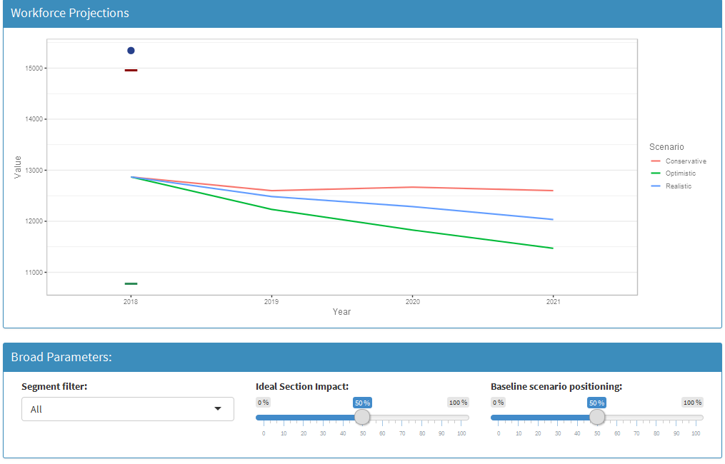

Annual Gap

Deep Dive

Strategic Workforce Planning Tool

Instructions

Section Selection
Section Summary
Workforce Journey
Workforce Forecast

Selection
Employment Type
Segment
Model Setup
Whole Org?
P
Division
Region
Function Type
Functional Name
Family Name
Job Sub Family
Employment
Segment

Executive View

Deep Dive View

Section | Headcount | Cost | Section | Headcount | Cost | Section | Headcount | Cost | Section | Headcount | Cost
1 | 944 | 679.68 | 22 | 108 | 85.32 | 52 | 160 | 91.2 | 44 | 91 | 84.63
2 | 634 | 608.64 | 23 | 590 | 300.9 | 53 | 284 | 147.68 | 45 | 274 | 186.32
3 | 951 | 855.9 | 24 | 151 | 143.45 | 54 | 854 | 794.22 | 46 | 941 | 668.11
4 | 430 | 266.6 | 25 | 772 | 602.16 | 55 | 610 | 414.8 | 47 | 71 | 47.57
5 | 993 | 834.12 | 26 | 868 | 659.68 | 56 | 848 | 814.08 | 48 | 916 | 842.72
6 | 983 | 776.57 | 27 | 306 | 220.32 | 57 | 612 | 452.88 | 49 | 14 | 13.72
7 | 59 | 31.27 | 28 | 464 | 464 | 58 | 505 | 439.35 | 50 | 575 | 362.25
8 | 188 | 165.44 | 29 | 769 | 499.85 | 59 | 795 | 683.7 | 51 | 343 | 185.22
9 | 244 | 134.2 | 30 | 336 | 288.96 | 60 | 208 | 122.72
10 | 674 | 552.68 | 31 | 58 | 52.78 | 61 | 912 | 684
11 | 788 | 661.92 | 32 | 365 | 284.7 | 62 | 411 | 205.5
12 | 15 | 12.75 | 33 | 151 | 89.09 | 63 | 259 | 256.41
13 | 210 | 205.8 | 34 | 662 | 595.8 | 64 | 861 | 585.48
14 | 826 | 586.46 | 35 | 123 | 105.78 | 65 | 209 | 154.66
15 | 60 | 39.6 | 36 | 267 | 232.29 | 66 | 40 | 36
16 | 270 | 248.4 | 37 | 394 | 382.18 | 67 | 80 | 57.6
17 | 336 | 215.04 | 38 | 51 | 43.35 | 68 | 372 | 219.48
18 | 397 | 381.12 | 39 | 570 | 530.1 | 69 | 390 | 198.9
19 | 714 | 514.08 | 40 | 971 | 504.92 | 70 | 452 | 280.24
20 | 151 | 93.62 | 41 | 981 | 774.99 | 71 | 625 | 481.25
21 | 197 | 195.03 | 42 | 847 | 465.85
 |  |  | 43 | 421 | 332.59

 |  |  | 72 | 880 | 844.8
 |  |  | 73 | 370 | 251.6
 |  |  | 74 | 494 | 321.1
 |  |  | 75 | 826 | 594.72
 |  |  | 76 | 769 | 392.19
 |  |  | 77 | 34 | 30.94
 |  |  | 78 | 845 | 794.3
 |  |  | 79 | 90 | 81
 |  |  | 80 | 622 | 528.7
 |  |  | 81 | 572 | 434.72
 |  |  | 82 | 267 | 149.52
 |  |  | 83 | 11 | 9.57
 |  |  | 84 | 942 | 612.3
 |  |  | 85 | 280 | 165.2
 |  |  | 86 | 41 | 39.36
 |  |  | 87 | 510 | 469.2
 |  |  | 88 | 770 | 693
 |  |  | 89 | 987 | 967.26
 |  |  | 90 | 84 | 79.8
 |  |  | 91 | 644 | 334.88
 |  |  | 92 | 44 | 30.36
 |  |  | 93 | 171 | 169.29
 |  |  | 94 | 458 | 247.32
 |  |  | 95 | 298 | 172.84
 |  |  | 96 | 959 | 613.76
 |  |  | 97 | 616 | 320.32
 |  |  | 98 | 895 | 653.35
 |  |  | 99 | 246 | 216.48
 |  |  | 100 | 343 | 250.39

Deep Dive - Section Summary
Strategic Workforce Planning Platform

Instructions
SABIC
Job Sub Family

Model Setup
Section Summary
Workforce Journey
Workforce Forecast
Section Selection

Executive View
Headcount Distribution

Headcount

Add Legend
Deep Dive View

Headcount Segmentation
Segmentation
Career Level structure
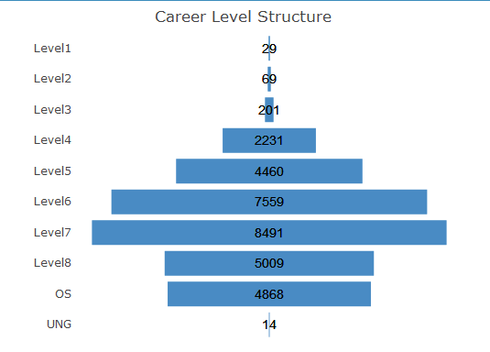

Not Mapped
 | 2 | 3 | 4 | 3 | 2 | 1 | 2

Age Distribution
 | 2 | 5 | 9 | 12 | 14 | 15
Age Distribution
Retirement
93%
Sum on Top
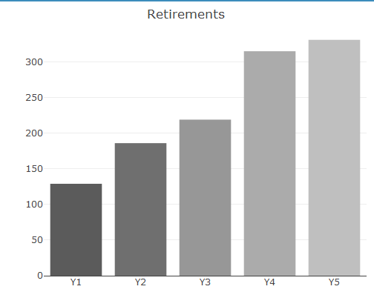

 |  | Section | Headcount | Cost | Section | Headcount | Cost | Section | Headcount | Cost | Section | Headcount | Cost
 |  | 1 | 944 | 679.68 | 22 | 108 | 85.32 | 52 | 160 | 91.2 | 44 | 91 | 84.63
 |  | 2 | 634 | 608.64 | 23 | 590 | 300.9 | 53 | 284 | 147.68 | 45 | 274 | 186.32 |  |  |  | % with degree | % without degree
 |  | 3 | 951 | 855.9 | 24 | 151 | 143.45 | 54 | 854 | 794.22 | 46 | 941 | 668.11 |  |  |  | 45% | 55%
 |  | 4 | 430 | 266.6 | 25 | 772 | 602.16 | 55 | 610 | 414.8 | 47 | 71 | 47.57
 |  | 5 | 993 | 834.12 | 26 | 868 | 659.68 | 56 | 848 | 814.08 | 48 | 916 | 842.72
 |  | 6 | 983 | 776.57 | 27 | 306 | 220.32 | 57 | 612 | 452.88 | 49 | 14 | 13.72 |  |  | Employees | FTE | Contractors
 |  | 7 | 59 | 31.27 | 28 | 464 | 464 | 58 | 505 | 439.35 | 50 | 575 | 362.25 |  |  |  | 100 | 25
 |  | 8 | 188 | 165.44 | 29 | 769 | 499.85 | 59 | 795 | 683.7 | 51 | 343 | 185.22
 |  | 9 | 244 | 134.2 | 30 | 336 | 288.96 | 60 | 208 | 122.72
 |  | 10 | 674 | 552.68 | 31 | 58 | 52.78 | 61 | 912 | 684 |  |  |  |  |  | Core | 100
 |  | 11 | 788 | 661.92 | 32 | 365 | 284.7 | 62 | 411 | 205.5 |  |  |  |  |  | Critical | 50
Gender Diversity
 |  | 12 | 15 | 12.75 | 33 | 151 | 89.09 | 63 | 259 | 256.41 |  |  |  |  |  | Support | 75
 |  | 13 | 210 | 205.8 | 34 | 662 | 595.8 | 64 | 861 | 585.48 |  |  |  |  |  | Specialist | 20
 |  | 14 | 826 | 586.46 | 35 | 123 | 105.78 | 65 | 209 | 154.66
 | 3 3 | 0 0 | 34 34 | 128 128 | 3 3 | 0 0 | 0 0 | 0 0 | 22 22 | 32 32 | 50 50 | 55 55
N |  |  | 0 |  |  | 0
Region | 0 | 0 | 0 | 0 | 0 | 0 | 0 | 0 | 0 | 0 | 0 | 0
MEA | 1 |  |  | 1 | 1
MEA |  |  | 14 | 38 |  |  |  |  | 11 | 12 | 14 | 15
MEA | 1 |  | 5 | 20 | 1 |  |  |  | 6 | 4 | 8 | 7
MEA |  |  | 11 | 51 |  |  |  |  | 3 | 11 | 21 | 27
MEA |  |  | 1 | 4 |  |  |  |  |  | 1 | 2 | 2
MEA | 1 |  |  | 4 | 1 |  |  |  |  | 1 | 2 | 1
MEA |  |  | 1 | 1 |  |  |  |  | 1 | 1
MEA |  |  | 1 | 7 |  |  |  |  |  | 2 | 1 | 3
MEA |  |  | 1 | 1 |  |  |  |  | 1 |  | 1
MEA |  |  |  | 1 |  |  |  |  |  |  | 1
MEA | APAC | EUR | AMR | 39.6 | 36 | 267 | 232.29 | 66 | 40 | 36
Female
Female
2 | 1 | 2 | 1 | 248.4 | 37 | 394 | 382.18 | 67 | 80 | 57.6 |  |  |  | 0-4 | 1,391 | 10%
Male
Male
3 | 1 | 1 | 1 | 215.04 | 38 | 51 | 43.35 | 68 | 372 | 219.48 |  |  |  | 5-9 | 988 | 7%
Not Mapped
 |  |  |  | 381.12 | 39 | 570 | 530.1 | 69 | 390 | 198.9 |  |  |  | 10-14 | 2,698 | 19%
Not Mapped
 |  |  |  | 514.08 | 40 | 971 | 504.92 | 70 | 452 | 280.24 |  |  |  | 15-19 | 4,684 | 33%
 |  | 20 | 151 | 93.62 | 41 | 981 | 774.99 | 71 | 625 | 481.25 |  |  |  | 20-24 | 3,252 | 23%
 |  | 21 | 197 | 195.03 | 42 | 847 | 465.85 |  |  |  |  |  |  | 25+ | 1,136 | 8%
 |  |  |  |  | 43 | 421 | 332.59

Male, Female, Not Mapped,
Column Y, Z and AA Sum (Data Prep Tab)
 |  |  |  |  |  |  |  |  |  |  |  |  |  | Age Band | Median Tenure | Average Tenure
 |  |  |  |  |  |  |  |  |  |  |  |  |  | 20-24 | 1 | 1
 |  |  |  |  |  |  |  |  |  |  |  |  |  | 25-29 | 2 | 3
 |  |  |  |  |  |  |  |  |  |  |  |  |  | 30-34 | 11 | 9
 |  |  |  |  |  |  |  |  |  |  |  |  |  | 35-39 | 14 | 13
 |  |  |  |  |  |  |  |  |  |  |  |  |  | 40-44 | 18 | 17
 |  |  |  |  |  |  |  |  |  |  |  |  |  | 45-49 | 21 | 20
Male, Female, Not Mapped,
Column Y, Z and AA Sum (Data Prep Tab) against region
 |  |  |  |  |  |  |  |  |  |  |  |  |  | 50-54 | 22 | 23
Colors to be same
 |  |  |  |  |  |  |  |  |  |  |  |  |  | 55-59 | 25 | 24
 |  |  |  |  |  |  |  |  |  |  |  |  |  | 60-64 | 18 | 17

 |  |  |  |  | 72 | 880 | 844.8
 |  |  |  |  | 73 | 370 | 251.6
 |  |  |  |  | 74 | 494 | 321.1
 |  |  |  |  | 75 | 826 | 594.72
 |  |  |  |  | 76 | 769 | 392.19
 |  |  |  |  | 77 | 34 | 30.94
 |  |  |  |  | 78 | 845 | 794.3
 |  |  |  |  | 79 | 90 | 81
 |  |  |  |  | 80 | 622 | 528.7
 |  |  |  |  | 81 | 572 | 434.72
 |  |  |  |  | 82 | 267 | 149.52
 |  |  |  |  | 83 | 11 | 9.57
 |  |  |  |  | 84 | 942 | 612.3
 |  |  |  |  | 85 | 280 | 165.2
 |  |  |  |  | 86 | 41 | 39.36
 |  |  |  |  | 87 | 510 | 469.2
 |  |  |  |  | 88 | 770 | 693
 |  |  |  |  | 89 | 987 | 967.26
 |  |  |  |  | 90 | 84 | 79.8
 |  |  |  |  | 91 | 644 | 334.88
 |  |  |  |  | 92 | 44 | 30.36
 |  |  |  |  | 93 | 171 | 169.29
 |  |  |  |  | 94 | 458 | 247.32
 |  |  |  |  | 95 | 298 | 172.84
 |  |  |  |  | 96 | 959 | 613.76
 |  |  |  |  | 97 | 616 | 320.32
 |  |  |  |  | 98 | 895 | 653.35
 |  |  |  |  | 99 | 246 | 216.48
 |  |  |  |  | 100 | 343 | 250.39

Deep Dive - Impact
Strategic Workforce Planning Tool

Instructions

Section Selection
Section Summary
Workforce Journey
Workforce Forecast

Workforce Journey
Workforce Journey
Model Setup
Workforce Journey
View 1
View 2
Scroll right to see what shows when view 2 selected
View 1
View 2

Headcount
Headcount
 |  |  | Support |  | Core |  | Critical |  | Specialist |  | Management
410 | 0 | 410 | 100 | 410 | 100 | 410 | 100 | 410 | 100 | 410 | 10 | 410 | 410 |  | 410
42 | 410 | 42 | 10 | 42 | 10 | 42 | 10 | 42 | 10 | 42 | 2 | 42 | 452 |  | 410 |  | 452
82 | 370 | 82 | 20 | 82 | 20 | 82 | 20 | 82 | 20 | 82 | 2 | 82 | 452 |  |  |  | 452 |  | 370
370 | 0 | 370 | 90 | 370 | 90 | 370 | 90 | 370 | 90 | 370 | 10 | 370 | 370 |  |  |  |  |  | 370 |  | 370
70 | 300 | 70 | 20 | 70 | 30 | 70 | 10 | 70 | 10 | 70 | 0 |  | 370 |  |  |  |  |  |  |  | 370 |  | 300
70 | 230 | 70 | 20 | 70 | 30 | 70 | 10 | 70 | 10 | 70 | 0 |  | 300 |  |  |  |  |  |  |  |  |  | 300
70 | 230 | 70 | 20 | 70 | 30 | 70 | 10 | 70 | 10 | 70 | 0 |  | 300
300 | 0 | 300 | 70 | 300 | 60 | 300 | 80 | 300 | 80 | 300 | 10 |  | 300
60 | 240 | 60 | 30 | 60 | 30 | 60 | 0 | 60 | 0 | 60 | 0 |  | 300
240 | 0 | 240 | 40 | 240 | 30 | 240 | 80 | 240 | 80 | 240 | 10 |  | 240
Current
Headcount
2018 Q3
Additions
Subtractions
Y0 Baseline
2019 Q1
Automation
Training
Demand
Y3 Final
Supply
Outsourcing
Y3
Post-Outsourcing
Executive View
Cost change over time
 |  | Support | Core | Critical | Specialist
400 | 0 | 100 | 100 | 100 | 100 |  | 400 | 400
40 | 400 | 10 | 10 | 10 | 10 |  | 440 | 400 | 440
80 | 360 | 20 | 20 | 20 | 20 |  | 440 |  | 440 | 360
360 | 0 | 90 | 90 | 90 | 90 |  | 360 |  |  | 360 | 370
335 | 0 | 85 | 80 | 85 | 85 |  | 335 |  |  |  | 335 | 335
314 | 0 | 80 | 70 | 82 | 82 |  | 314 |  |  |  |  | 314
290 | 0 | 70 | 60 | 80 | 80 |  | 290
Current
Headcount
Additions
Subtractions
Y0 Baseline
Y1
Y2
Y3
Supply

Deep Dive View

 |  |  | Section | Headcount | Cost | Section | Headcount | Cost | Section | Headcount | Cost | Section | Headcount | Cost
 |  |  | 1 | 944 | 679.68 | 22 | 108 | 85.32 | 52 | 160 | 91.2 | 44 | 91 | 84.63
 |  |  | 2 | 634 | 608.64 | 23 | 590 | 300.9 | 53 | 284 | 147.68 | 45 | 274 | 186.32
 |  |  | 3 | 951 | 855.9 | 24 | 151 | 143.45 | 54 | 854 | 794.22 | 46 | 941 | 668.11
 |  |  | 4 | 430 | 266.6 | 25 | 772 | 602.16 | 55 | 610 | 414.8 | 47 | 71 | 47.57
 |  |  | 5 | 993 | 834.12 | 26 | 868 | 659.68 | 56 | 848 | 814.08 | 48 | 916 | 842.72
 |  |  | 6 | 983 | 776.57 | 27 | 306 | 220.32 | 57 | 612 | 452.88 | 49 | 14 | 13.72
 |  |  | 7 | 59 | 31.27 | 28 | 464 | 464 | 58 | 505 | 439.35 | 50 | 575 | 362.25
 |  |  | 8 | 188 | 165.44 | 29 | 769 | 499.85 | 59 | 795 | 683.7 | 51 | 343 | 185.22
 |  |  | 9 | 244 | 134.2 | 30 | 336 | 288.96 | 60 | 208 | 122.72
 |  |  | 10 | 674 | 552.68 | 31 | 58 | 52.78 | 61 | 912 | 684
 |  |  | 11 | 788 | 661.92 | 32 | 365 | 284.7 | 62 | 411 | 205.5
 |  |  | 12 | 15 | 12.75 | 33 | 151 | 89.09 | 63 | 259 | 256.41
 |  |  | 13 | 210 | 205.8 | 34 | 662 | 595.8 | 64 | 861 | 585.48
 |  |  | 14 | 826 | 586.46 | 35 | 123 | 105.78 | 65 | 209 | 154.66
 |  |  | 15 | 60 | 39.6 | 36 | 267 | 232.29 | 66 | 40 | 36
 |  |  | 16 | 270 | 248.4 | 37 | 394 | 382.18 | 67 | 80 | 57.6
72 | 880 | 844.8 | 17 | 336 | 215.04 | 38 | 51 | 43.35 | 68 | 372 | 219.48
73 | 370 | 251.6 | 18 | 397 | 381.12 | 39 | 570 | 530.1 | 69 | 390 | 198.9
74 | 494 | 321.1 | 19 | 714 | 514.08 | 40 | 971 | 504.92 | 70 | 452 | 280.24
75 | 826 | 594.72 | 20 | 151 | 93.62 | 41 | 981 | 774.99 | 71 | 625 | 481.25
76 | 769 | 392.19 | 21 | 197 | 195.03 | 42 | 847 | 465.85
77 | 34 | 30.94 |  |  |  | 43 | 421 | 332.59
78 | 845 | 794.3
79 | 90 | 81
80 | 622 | 528.7
81 | 572 | 434.72
82 | 267 | 149.52
83 | 11 | 9.57
84 | 942 | 612.3
85 | 280 | 165.2
86 | 41 | 39.36
87 | 510 | 469.2
88 | 770 | 693
89 | 987 | 967.26
90 | 84 | 79.8
91 | 644 | 334.88
92 | 44 | 30.36
93 | 171 | 169.29
94 | 458 | 247.32
95 | 298 | 172.84
96 | 959 | 613.76
97 | 616 | 320.32
98 | 895 | 653.35
99 | 246 | 216.48
100 | 343 | 250.39

Deep Dive - Forecast
Strategic Workforce Planning Tool

Instructions
Workforce Journey
Workforce Forecast
Workforce Forecast
Section Selection
Section Summary
Impact

Model Setup

Tick boxes to choose which line to view'

Deep Dive View

< Here they can adjust all the values, which are prefilled based on the model setup page. This will include hire and exit rates as well

72 | 880 | 844.8
73 | 370 | 251.6
74 | 494 | 321.1
75 | 826 | 594.72
76 | 769 | 392.19
77 | 34 | 30.94
78 | 845 | 794.3
79 | 90 | 81
80 | 622 | 528.7
81 | 572 | 434.72
82 | 267 | 149.52
83 | 11 | 9.57
84 | 942 | 612.3
85 | 280 | 165.2
86 | 41 | 39.36
87 | 510 | 469.2
88 | 770 | 693
89 | 987 | 967.26
90 | 84 | 79.8
91 | 644 | 334.88
92 | 44 | 30.36
93 | 171 | 169.29
94 | 458 | 247.32
95 | 298 | 172.84
96 | 959 | 613.76
97 | 616 | 320.32
98 | 895 | 653.35
99 | 246 | 216.48
100 | 343 | 250.39

Deep Dive - Forecast (2)
Strategic Workforce Planning Tool

Check Workforce Alternative tab in Data Preparation file

Instructions
Workforce Journey
Workforce Forecast
Workforce Forecast
ILM Forecast Alternative
Section Selection
Section Summary
Impact

Model Setup

Executive View

Deep Dive View

< Here they can adjust all the values, which are prefilled based on the model setup page. This will include hire and exit rates as well

72 | 880 | 844.8
73 | 370 | 251.6
74 | 494 | 321.1
75 | 826 | 594.72
76 | 769 | 392.19
77 | 34 | 30.94
78 | 845 | 794.3
79 | 90 | 81
80 | 622 | 528.7
81 | 572 | 434.72
82 | 267 | 149.52
83 | 11 | 9.57
84 | 942 | 612.3
85 | 280 | 165.2
86 | 41 | 39.36
87 | 510 | 469.2
88 | 770 | 693
89 | 987 | 967.26
90 | 84 | 79.8
91 | 644 | 334.88
92 | 44 | 30.36
93 | 171 | 169.29
94 | 458 | 247.32
95 | 298 | 172.84
96 | 959 | 613.76
97 | 616 | 320.32
98 | 895 | 653.35
99 | 246 | 216.48
100 | 343 | 250.39

Supply
Back to Model Setup
2 reset button to clear previusly stored values for other filters
Supply Rate Adjustments
Reset all values to default

Save current values
Reset to default

Year 1 (BL6)
Year 2
Year 3
Year 4
Year 5

Now this is not region wise but row wise,
If some changes the default values all the value of Year 1 then all the cell will be over written by this number in BL column. same for other years and other columns columns.
Default values be shown for each year .
These default values will come from Data Preparation Tab (Cell BL6 to BP6)

Right Sizing Position
Back to Model Setup
2 reset button to clear previusly stored values for other filters
Reset all values to default
Right-sizing Adjustments

Default Current Head Count
Optimistic Headcoount (Default Number)
Change Optimistic Headcount
# BB
# BD
#BD

0%
100%
X% = 4%

The user can change the value of X, Example if X is made 0% then BD value will become BB and new Optimistic Headcount will be same as 165.
Value of BD column will be over written for the selected filter.

X% | = | (BB-BD)/BB | 4%

BB = 165 |  | BD = 158

 |  |  |  | 1

L&D Investment
Back to Model Setup
2 reset button to clear previusly stored values for other filters

YoY L&D Investment

Reset all values to default

Save current values
Reset to default

Change Default Values
$ 0
$1000
$ 0
$1000
$ 0
$1000
$ 0
$1000
$ 0
$1000

# EN
#EO
#EP
#EQ
#ER

The default numbers will come from column EN7 in data preparation tab , if someone changes the toggle the new value will be over written for entire column of EN selected filter).
Same case for other years

Automation
Back to Model Setup
2 reset button to clear previusly stored values for other filters

YoY Automation Impact

Reset all values to default

Year 1
Year 2
Year 3
Year 4
Year 5

Save current values
Reset to default

Q1
Q2
Q3
Q4

0%
100%
0%
100%
0%
100%
0%
100%

#
#
#
#

This default values come from column GM any changes here to over write the entire column with selected filters.
The toggles are additive. Value of next toggle cannot be less than previus toggle.
Example if toggle for Q4 in year 1 is made 20%. Then Value of Toggle for other quarters (Q1 Year 2,Q2 Year 2 and so on )will be set at 20 as well. Every value will be over written for the respective column.

Data Preparation File
Weighted Average from column GG onwards

Demand Drivers
Back to Model Setup
Reset all values to default
2 reset button to clear previusly stored values for other filters
YoY Demand Drivers

Final demand numbers will be shown taking into account blank and any anomalies
eg. +-100 (Total Sum)

Demand Driver 1 | Demand Driver 1 Weightage | 2018 | 2019 | 2020 | 2021 | 2022 | 2023
Number of product lines at the end of year | 100% | 16 | 16 | 16 | 16 | 16 | 16
# of Reports | 25% | 27 | 30 | 30 | 27 | 25 | 23
Not provided | 100% | 646 | 643.39579892 | 637.65066418 | 647.17138696 | 643.65698138 | 652.04222243
Number of GL accounts | 10% | 27940 | 28219.4 | 28501.594 | 28502 | 28784.194 | 28884.194
Number Investor meetings | 33% | 34 | 35.363953488 | 36.727906977 | 37.913953488 | 39.1 | 39.1
Not provided | 100% | 646 | 643.39579892 | 637.65066418 | 647.17138696 | 643.65698138 | 652.04222243
Number of GL accounts | 10% | 27940 | 28219.4 | 28501.594 | 28502 | 28784.194 | 28884.194

Number of audits of Petrochemicals SBU | 1 | 6 | 7 | 7 | 7 | 7 | 7

Save

L&D Numbers
Model Setp Up

 | Year
Budget\Year | T=0 | T=1 | T=2 | T=3 | T=4 | T=5
$ US | 350 | 2000 | 2000 | 2000 | 2000 | 0

Executive View
Data Preparation Tab
Executive View
Model Setup

Seel Plot 1
Seel Plot 2
 | View 1 |  | comes from column BH7 add basis AU to AX | Come from column BF 17 add basis AU to AX | Add basis column AU to AX | Add basis column AU to AX | Add basis column AU to AX | Add basis column AU to AX | Add basis column AU to AX |  |  |  | View 2 |  | comes from column BH7 add basis AU to AX | Come from column BF 17 add basis AU to AX | Add basis column AU to AX | Add basis column AU to AX | Add basis column AU to AX | Add basis column AU to AX | Add basis column AU to AX
 | 165 | 0 | 7 | 158 | 8.3428036481 | -4.5462217387 | -0.037479461379 | 161.75910245 | (-ve) |  |  |  | 165 | 0 | 7 | 158 | 161.05113253 | 160.91551432 | 161.09108727 | 161.45834789 | 161.75910245
 | Current HC | Addition | Subtraction | Year 0 Baseline | Demand + | L&D | Automation | Y5 Final | Demand - |  |  |  | Current HC | Addition | Subtraction | Year 0 Baseline | Year 1 | Year 2 | Year 3 | Year 4 | Year 5
Core | 64 |  |  |  |  |  |  |  |  |  |  | Core | 64
Specialist | 12 |  |  |  |  |  |  |  |  |  |  | Specialist | 12
Support | 63 |  |  |  |  |  |  |  |  |  |  | Support | 63
Critical | 26 |  |  |  |  |  |  |  |  |  |  | Critical | 26
Not Mapped | 0 |  |  |  |  |  |  |  |  |  |  | Not Mapped | 0

Plot 3
 | View 3 | Demand calculated under 3 scenarios
 |  | Y1 |  |  | Y2 |  |  | Y3 |  |  | Y4 |  |  | Y5
 |  | Y1(BB,BD,BE used for calculating IB) |  |  | Y2 (BB,BD,BE used for calculating IC) |  |  | Y1(BB,BD,BE used for calculating ID) |  |  | Y1(BB,BD,BE used for calculating IE) |  |  | Y1(BB,BD,BE used for calculating IF)
 |  | Conservative | Base Case | Optimistic | Conservative | Base Case | Optimistic | Conservative | Base Case | Optimistic | Conservative | Base Case | Optimistic | Conservative | Base Case | Optimistic
 |  |  |  | 161.05445069 |  |  | 160.92351869 |  |  | 161.10573949 |  |  | 161.48244525 |  |  | 161.79658191

Plot 4
 | View 4 (Selected Scenario)(Divide the numbers in 5 segments below |  |  |  |  |  |  |  |  |  |  |  |  |  | View 4 (Option 2, Show the difference of Demand and Supply in Segments)
 |  | Y0 |  | Y1 (2019) |  | Y2 |  | Y3 |  | Y4 |  | Y5 |  |  | Demand-Supply | Demand - Supply
 |  | Supply | Demand | Supply | Demand | Supply | Demand | Supply | Demand | Supply | Demand | Supply | Demand |  | 2018 | 2019 | 2020 | 2021 | 2022 | 2023
 |  | 165 | 158 | 165.27655719 | 161.05113253 | 164.55357792 | 160.91551432 | 163.82938686 | 161.09108727 | 163.10398198 | 161.46 | 162.37736125 | 161.76 |  | 7 | 4.2254246618 | 3.638063597 | 2.7382995964 | 1.65 | 0.62
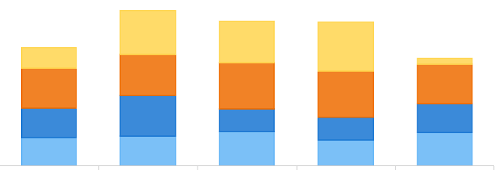
 | Core |  |  |  |  |  |  |  |  |  |  |  |  | Core | 0
 | Critical |  |  |  |  |  |  |  |  |  |  |  |  | Critical | 0
 | Support |  |  |  |  |  |  |  |  |  |  |  |  | Support | 0
 | Specialist |  |  |  |  |  |  |  |  |  |  |  |  | Specialist | 0
 | Not Mapped |  |  |  |  |  |  |  |  |  |  |  |  | Not Mapped | 0

This graph could go positive or negative basis gap of core critical support specilaist values (+ or -)
Plot 5
 | View 5 (Updated Version - Automation &D Scenario) |  | This no. comes by changing selected scenario to as is and Base case (BB, BD, BE) | This no. comes by changing selected scenario to as is and Base case (BB, BD, BE) | This no. comes by changing selected scenario to as is and Base case (BB, BD, BE) | This no. comes by changing selected scenario to as is and Base case (BB, BD, BE) | This no. comes by changing selected scenario to as is and Base case (BB, BD, BE)
 |  | 2018 | 2019 | 2020 | 2021 | 2022 | 2023
 | Conservative | 165
 | Base Case | 161.5
 | Optimistic | 158 | 161.05445069 | 160.92351869 | 161.10573949 | 161.48244525 | 161.79658191

Executive View Plots
Data Preparation Tab
Strategic Workforce Planning Platform

Select Department
Region
Function Type
Family Name
Whole Org?
P
Function Name
Division
Instructions

Model Setup
Employment Type
Segment
Employment
Segment

Executive View
Conservative Case
Realistic
Optimistic
Right Sizing Scenario Selection

Conservative Case
Realistic
Optimistic
Scenario Selection: Automation & L&D Intervention
Deep Dive View

Demand Analysis : Consolidate View (5Years)

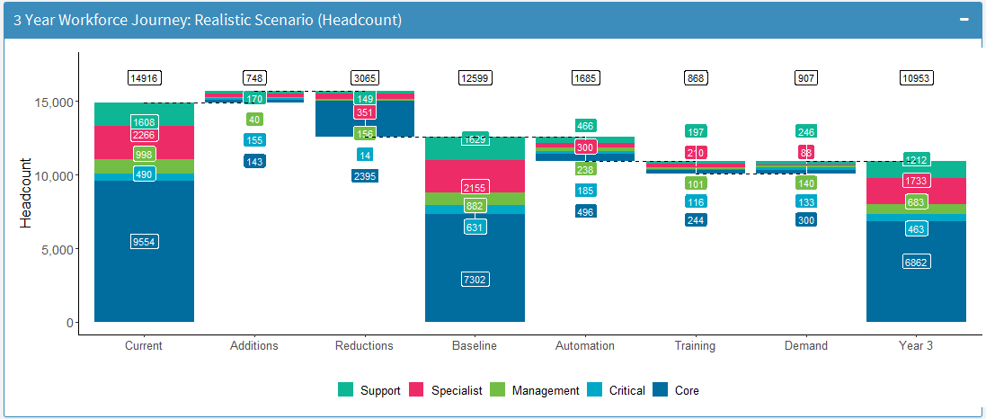
Demand View (Selected Scenario)

Click to see the data preparation for executive view

Demand Analysis

Plot 2 |  | Plot 2 |  |  |  |  | Plot 4 |  | View 2 B
Year on Year Demand View (Selected Scenario)
Year on Year Gap (Selected Scenario)
 |  | Support | Core | Critical | Specialist
400 | 0 | 100 | 100 | 100 | 100 |  | 400 | 400
40 | 400 | 10 | 10 | 10 | 10 |  | 440 | 400 | 440
80 | 360 | 20 | 20 | 20 | 20 |  | 440 |  | 440 | 360
360 | 0 | 90 | 90 | 90 | 90 |  | 360 |  |  | 360 | 370
335 | 0 | 85 | 80 | 85 | 85 |  | 335 |  |  |  | 335 | 335
314 | 0 | 80 | 70 | 82 | 82 |  | 314 |  |  |  |  | 314
290 | 0 | 70 | 60 | 80 | 80 |  | 290
Current
Headcount
Additions
Subtractions
Y0 Baseline
Y1
Y2
Y3
Supply

Illustrative Only

Plot 3
Yearly Demand: Right Sizing Compariosn (Headcount)

Scenario Comarison

 | Plot 3 |  | Plot 3 |  |  |  |  | View 5 |  | View 3b
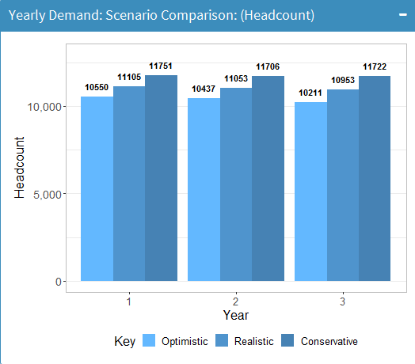
Base Case
Yearly Demand: Rightsizing Scenario Comparison (Headcount)
Yearly Demand: Scenario Comparison (Automation & L&D Intervention)
3
5
4
Illustrative Only

4
5
0
0
1
2
1
2

Plot 3b

 | 2018 | 2019 | 2020 | 2021 | 2022 | 2023
 | Conservative | 2.6422064468 | 2.6220580126 | 2.6077986819 | 3.04538208 | 3.04538208
 | Base Case | 9.8932175337 | 9.8177757212 | 9.7643844881 | 9.7266956166 | 9.7266956166
 | Optimistic | 5.5649348627 | 6.34064682 | 6.9164390124 | 7.2950217124 | 7.9029401885

